Front
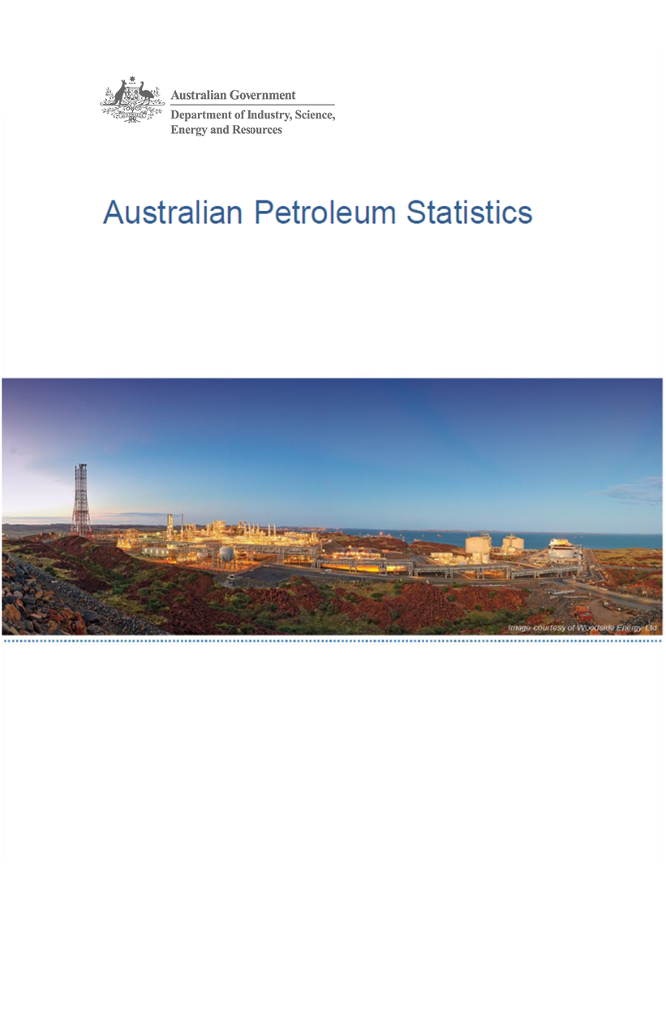

Issue 300, July 2021

https://www.energy.gov.au/government-priorities/energy-data/australian-petroleum-statistics

Figure 8B
Australian Petroleum Statistics

Figure 8B. Comparison of retail fuel prices and taxes in OECD countries - March Quarter 2021

Premium unleaded petrol
 | Price ex. tax | Total tax
United States | 82 | 19
Turkey | 63 | 64
Chile | 67 | 71
Canada | 92 | 47
Australia | 93 | 56
Poland | 78 | 89
Slovenia | 70 | 100
Czech Republic | 67 | 107
Hungary | 81 | 93
Lithuania | 73 | 103
Austria | 75 | 106
Luxembourg | 81 | 108
Latvia | 75 | 114
Spain | 84 | 108
Korea | 90 | 109
Estonia | 78 | 122
Slovak Republic | 89 | 114
New Zealand | 104 | 102
Belgium | 82 | 129
Ireland | 75 | 137
United Kingdom | 77 | 139
Switzerland | 97 | 123
Germany | 78 | 147
France | 83 | 145
Israel | 78 | 155
Portugal | 86 | 148
Norway | 92 | 144
Greece | 83 | 154
Denmark | 94 | 145
Finland | 83 | 159
Netherlands | 93 | 167
Regular unleaded petrol
 | Price ex. tax | Total tax
Colombia | 63 | 20
United States | 68 | 19
Canada | 78 | 45
Australia | 79 | 55
Chile | 65 | 69
Korea | 69 | 102
Japan | 89 | 85
Austria | 75 | 106
New Zealand | 86 | 100
Automotive diesel
 | Price ex. tax | Total tax
Colombia | 70 | 12
Chile | 64 | 29
United States | 79 | 21
Turkey | 62 | 54
New Zealand | 99 | 20
Canada | 80 | 40
Australia | 72 | 54
Korea | 73 | 75
Japan | 97 | 53
Lithuania | 78 | 87
Poland | 85 | 82
Czech Republic | 80 | 89
Latvia | 75 | 97
Luxembourg | 86 | 87
Spain | 84 | 89
Austria | 83 | 92
Estonia | 89 | 87
Slovenia | 74 | 104
Slovak Republic | 91 | 87
Hungary | 89 | 92
Greece | 95 | 101
Ireland | 79 | 119
Germany | 86 | 115
Denmark | 95 | 108
Portugal | 87 | 119
Netherlands | 97 | 114
France | 82 | 129
Belgium | 84 | 131
Norway | 99 | 123
United Kingdom | 82 | 141
Finland | 102 | 123
Switzerland | 104 | 129
Israel | 93 | 151
Automotive LPG
 | Price ex. tax | Total tax
Australia | 55 | 21
Slovak Republic | 51 | 27
Czech Republic | 52 | 27
Poland | 49 | 32
Belgium | 69 | 14
Luxembourg | 69 | 14
Lithuania | 45 | 41
Latvia | 45 | 41
Canada | 75 | 16
Slovenia | 61 | 36
Korea | 64 | 35
Turkey | 69 | 30
Estonia | 56 | 47
Portugal | 59 | 45
Germany | 71 | 37
Hungary | 70 | 38
Spain | 85 | 23
Netherlands | 63 | 48
Japan | 95 | 23
France | 92 | 39
Chile | 129 | 25

